Guidance
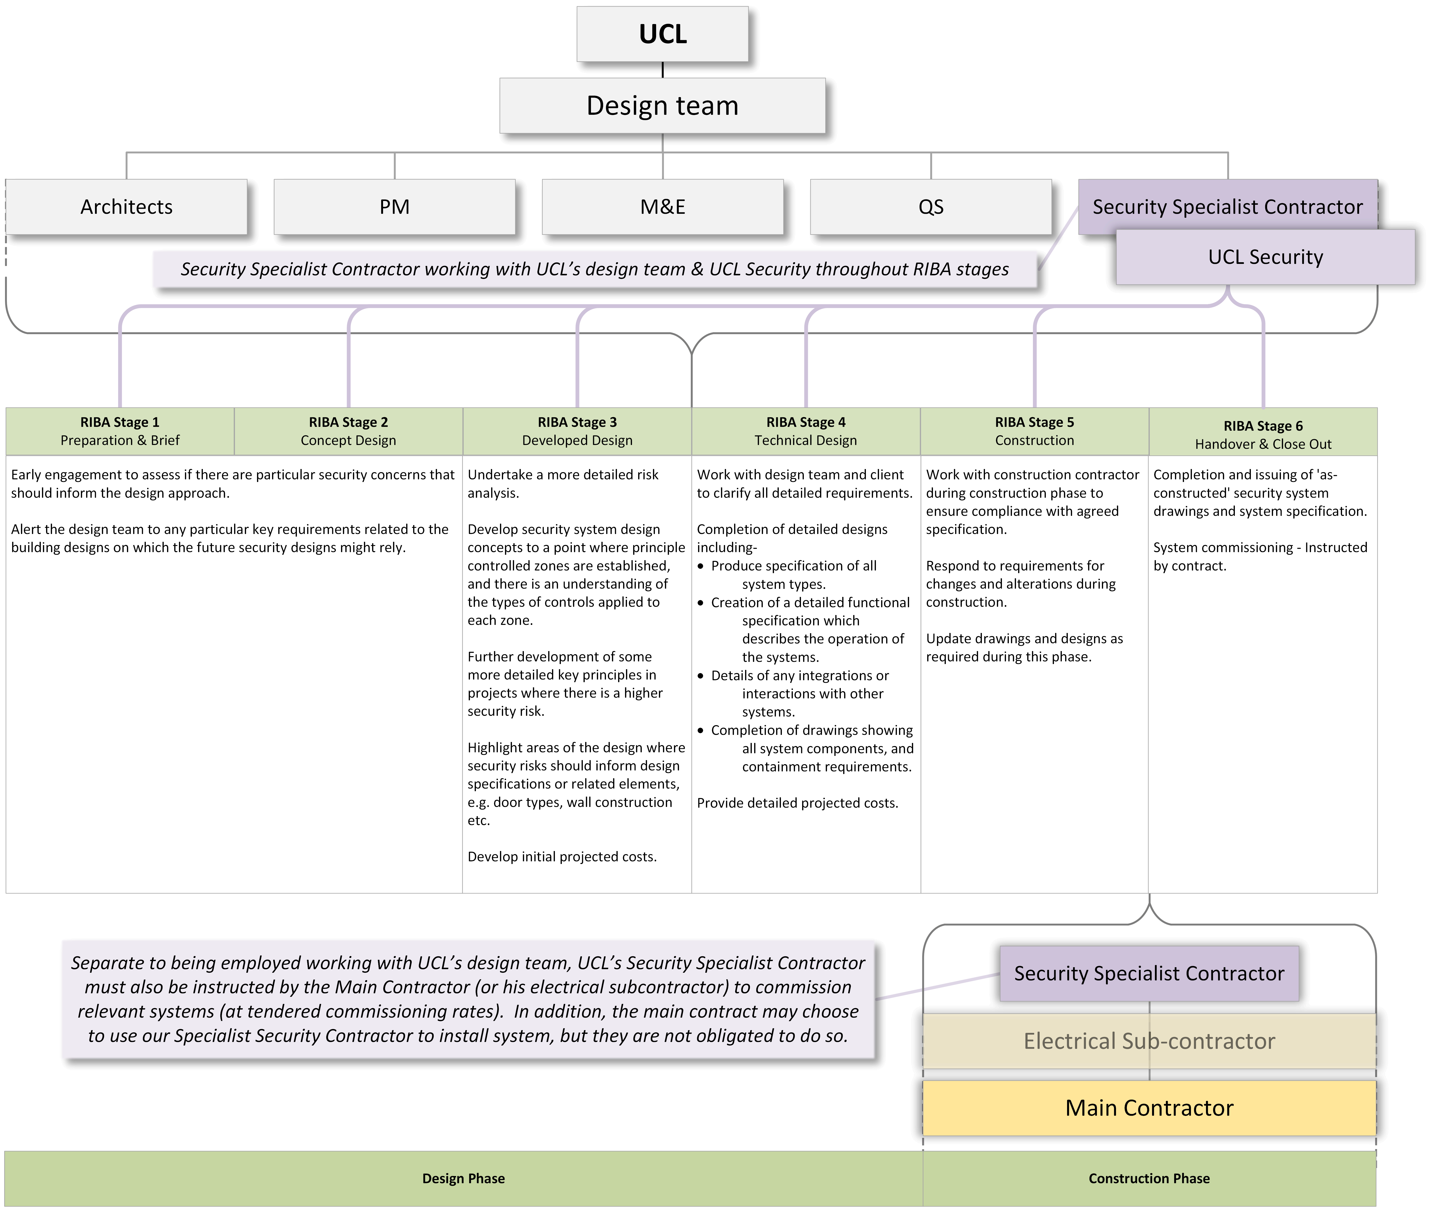
The Provision of Security Systems: Guidance for completion of Pricing Schedule

General The prices should be entered into the yellow cells only, all others are protected. Please note carefully the Rate column and ensure you enter the value related to this rate type only. The cells are preformated for the value type, please don't amend the cell formatting. Cells for percentage values can be entered to two decimal places. Any additional clarity must be sought through the Intend system. All rates quoted on this pricing schedule must be applied to all works the Contractor undertakes for the Employer, either directly or via a separate contractor. Where the Contractor prices for installation work as part of capital project work, this must align with these rates or be at a lower rate. Capital project design services, system specifications and drawings The Contractor will be working as part of the UCL design team. The percentage entered here should be the percentage of the ex VAT value of the complete Security Systems installation package. Including the following elements: 1. Electronic access control 2. CCTV 3. Intruder and security alarm systems 4. Intercoms A separate percentage must be entered for each value bracket, and for each stage of the RIBA process. For works that don't proceed to construction, payment for design services will be based on this figure, depending on the RIBA stage reached. Small project works Please see the notes below to clarify the elements that will be used to price small project works. Where the term 'Small project works' is used in this tender, this refers to small works either directly instructed by the Employer of via one of the Employer's framework contractors. Section 3.9 in Schedule 1 of the Service Information relates. The Contractor must include the cost of surveying and pricing, and the creation of specifications and drawings in the elements 2.28 and 2.29. Important - Please ensure you complete all yellow cells in the Pricing Schedule sheet.

Small project works
For clarity, these would be priced as per the following example:

Item | Description | Rate | Section
1 | Number of hours labour | Flat hourly rate | 2.1 | £
2 | Core system equipment | % off list price | 2.3, 2.4 etc. | £
3 | Other equipment | % max mark up | 2.27 | £
4 | Sub total |  |  | £1+2+3
5 | Project management fee | % of sub total 4 | 2.28 | % × 4
6 | Design drawings and record drawing updates | % of sub total 4 | 2.29 | % × 4
7 | Total |  |  | £4+5+6

Capital project design services, system specifications and drawings This diagram shows the workflow for the Contractor's role in capital project works

